McDonald's vs Rent
Option 1: Lease the Property and earn rental income

Option 2: Use the land for the McDonald's project.
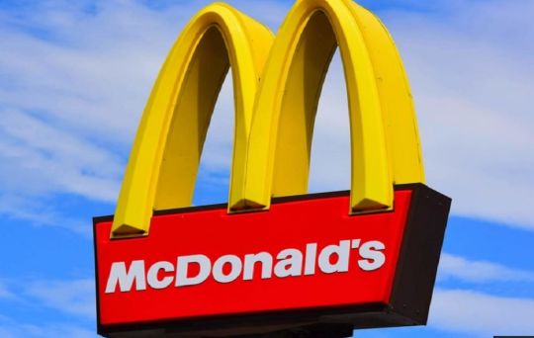
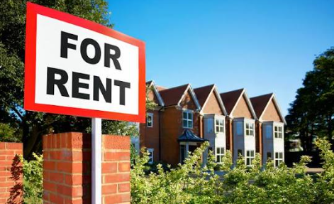

 | VS

